DECO STYLE 2019
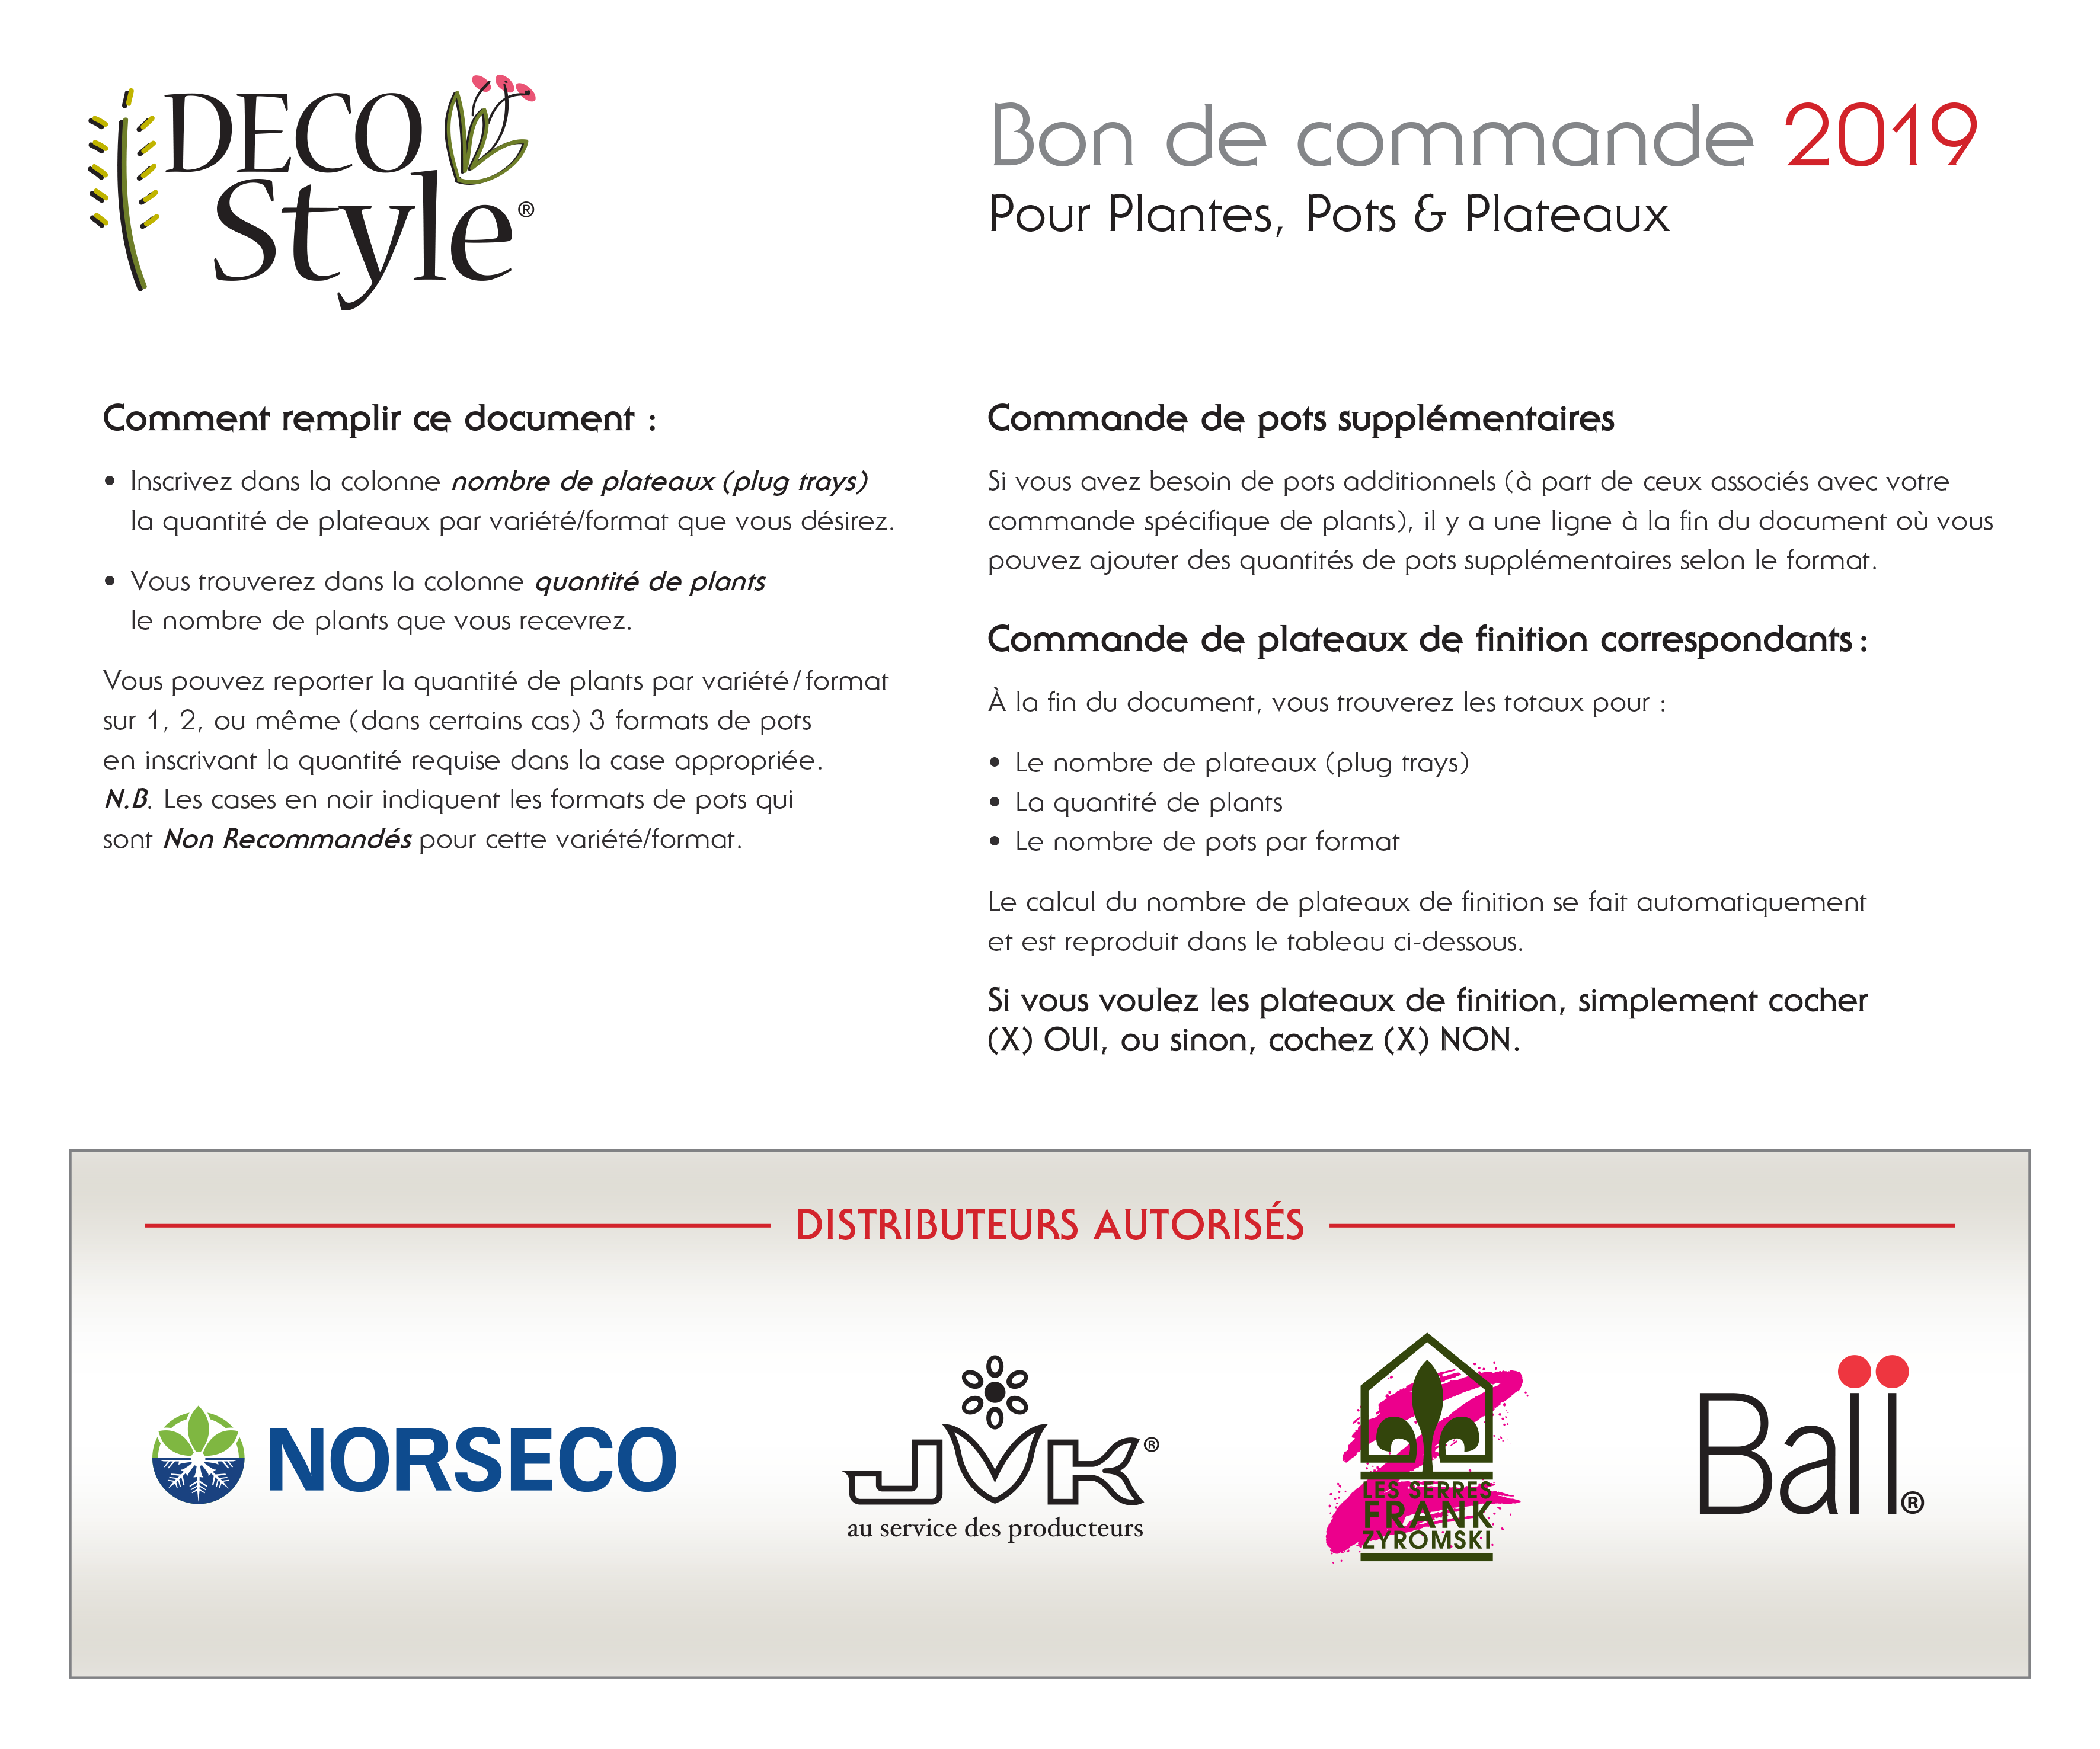

Vos informations :

Date de livraison demandée : | v

Compagnie :

Contact :

Adresse :

Code postal :

Courriel :

Téléphone :

Fax :

Votre distributeur préféré :

Commande de plateaux de finition correspondants:
- 13 cm XH-8. Total de pots 13 cm : |  | 0 |  | divisé par 8= | 0.00
- 16 cm T-6. Total de pots 16 cm : |  | 0 |  | divisé par 6= | 0.00
- Il n’y a pas de plateaux pour les pots de 19 cm, ni pour les pots de 22 cm

VARIÉTÉS |  |  | PLANTS PAR PLATEAU (plug-tray) | NOMBRE DE PLATEAUX (plug-trays) | QUANTITÉ DE PLANTS | POTS 13cmXH | POTS 16cmT | POTS 19cmT | POTS 22cmT

Acalypha wilkesiana 'Bronze Pink' |  | E | 38 |  | 0
Agapanthus 'Blue Heaven' |  |  | 32 |  | 0
Agapanthus 'Blue Yonder' | N |  | 32 |  | 0
Agapanthus 'Stevie's Wonder' |  |  | 32 |  | 0
Agapanthus 'Storm Cloud' |  |  | 32 |  | 0
Agapanthus 'Summer Skies' | N |  | 32 |  | 0
Albuca spiralis 'Frizzle Sizzle' |  |  | 18 |  | 0
Alocasia 'Borneo King' |  |  | 21 |  | 0
Alocasia 'Calidora' |  |  | 21 |  | 0
Alocasia 'Dark Star' |  | E | 21 |  | 0
Alocasia 'Kuching Mask' | N |  | 21 |  | 0
Alocasia 'Low Rider' |  | E | 21 |  | 0
Alocasia 'Mayan Mask' |  |  | 21 |  | 0
Alocasia 'Portora' |  |  | 21 |  | 0
Alocasia 'Regal Shields' |  |  | 21 |  | 0
Alocasia 'Sarian' |  |  | 21 |  | 0
Alocasia 'Stingray' |  |  | 21 |  | 0
Alocasia 'Tyrion' |  |  | 21 |  | 0
Alocasia gageana 'California' |  |  | 21 |  | 0
Alocasia macrorrhizos 'Lutea' |  |  | 21 |  | 0
Alocasia micholitziana 'Frydek' |  |  | 21 |  | 0
Alocasia sarawakensis 'Yucatan Princess' |  |  | 21 |  | 0
Aloe hybrid 'Christmas Carol' |  |  | 32 |  | 0
Aloe 'White Fox' |  |  | 32 |  | 0
Aloe x humilis Spineless Hedgehog |  |  | 32 |  | 0
Aloe vera |  |  | 32 |  | 0
Alpinia zerumbet 'Variegata' |  |  | 18 |  | 0
Alstroemeria Rock & Roll |  | E | 18 |  | 0
Alternanthera brasiliana 'Brazilian Red Hots' |  | E | 50 |  | 0
Alternanthera brasiliana 'Little Ruby' |  | E | 50 |  | 0
Anigozanthos 'Bush Nugget' | N |  | 18 |  | 0
Anigozanthos 'Bush Ranger' | N |  | 18 |  | 0
Anigozanthos JoeJoe Orange | N |  | 18 |  | 0
Anigozanthos 'Kanga Burgundy' |  |  | 18 |  | 0
Anigozanthos 'Kanga Pink' |  |  | 18 |  | 0
Asparagus densiflorus 'Myers' |  |  | 32 |  | 0
Asparagus macowanii 'Ming' |  |  | 32 |  | 0
Asparagus plumosus |  |  | 32 |  | 0
Asplenium antiquum 'Makino' |  |  | 18 |  | 0
Asplenium antiquum 'Makino' |  |  | 32 |  | 0
Begonia 'Canary Wings' |  | E | 38 |  | 0
Begonia x hybrida 'Gryphon' |  | E | 21 |  | 0
Blechnum gibbum 'Silver Lady' |  |  | 32 |  | 0
Breynia disticha 'Pink Snow' |  |  | 32 |  | 0
Caladium Painted Frog 'Poison Dart Frog' |  |  | 18 |  | 0
Caladium Painted Frog 'Red-Bellied Tree Frog' |  | E | 18 |  | 0
Caladium Painted Frog 'Tie-Dyed Tree Frog' |  |  | 18 |  | 0
Canna 'Alaska' |  |  | 24 |  | 0
Canna 'Australia' |  |  | 24 |  | 0
Canna 'Bird of Paradise' |  |  | 24 |  | 0
Canna 'Blueberry Sparkler' |  |  | 24 |  | 0
Canna CannaSol 'Carmen' |  |  | 24 |  | 0
Canna CannaSol 'Cleo' |  |  | 24 |  | 0
Canna CannaSol 'Emily' |  |  | 24 |  | 0
Canna CannaSol 'Isabel' |  |  | 24 |  | 0
Canna CannaSol 'Julia' |  |  | 24 |  | 0
Canna CannaSol 'Wilma' |  |  | 24 |  | 0
Canna Cannova 'Bronze Orange' |  |  | 24 |  | 0
Canna Cannova 'Bronze Orange' |  |  | 36 |  | 0
Canna Cannova 'Bronze Scarlet' |  |  | 24 |  | 0
Canna Cannova 'Bronze Scarlet' |  |  | 36 |  | 0
Canna Cannova 'Mango' |  |  | 24 |  | 0
Canna Cannova 'Mango' |  |  | 36 |  | 0
Canna Cannova 'Orange Shades' |  |  | 24 |  | 0
Canna Cannova 'Orange Shades' |  |  | 36 |  | 0
Canna Cannova 'Red Shades' |  |  | 24 |  | 0
Canna Cannova 'Red Shades' |  |  | 36 |  | 0
Canna Cannova 'Rose' |  |  | 24 |  | 0
Canna Cannova 'Rose' |  |  | 36 |  | 0
Canna Cannova 'Select Red Flame' |  |  | 24 |  | 0
Canna Cannova 'Select Red Flame' |  |  | 36 |  | 0
Canna Cannova 'Yellow' |  |  | 24 |  | 0
Canna Cannova 'Yellow' |  |  | 36 |  | 0
Canna 'Carolina Pink' |  |  | 24 |  | 0
Canna 'Cleopatra' |  | E | 24 |  | 0
Canna Cocktail De Luxe Electric Lemonade |  |  | 24 |  | 0
Canna Cocktail De Luxe Flirtini |  |  | 24 |  | 0
Canna Cocktail De Luxe Lemon & Gin |  |  | 24 |  | 0
Canna Cocktail De Luxe Pink Spritzer |  |  | 24 |  | 0
Canna 'Durban' |  |  | 24 |  | 0
Canna 'Ebony Patra' |  | E | 24 |  | 0
Canna Elite 'Chocolate Sunrise' |  |  | 24 |  | 0
Canna Elite 'Orange Chocolate' |  |  | 24 |  | 0
Canna Elite 'Rosita' |  |  | 24 |  | 0
Canna 'Emerald Sunset' |  |  | 24 |  | 0
Canna 'Endeavor' |  |  | 24 |  | 0
Canna 'Erebus' |  |  | 24 |  | 0
Canna 'Fire Dragon' |  | E | 24 |  | 0
Canna 'Fogo Sunset' |  |  | 24 |  | 0
Canna 'Hello Yello Mini' | N |  | 24 |  | 0
Canna 'Intrigue' |  |  | 24 |  | 0
Canna Island Series 'Kreta' |  |  | 24 |  | 0
Canna Island Series 'Madeira' |  |  | 24 |  | 0
Canna Island Series 'Tenerife' |  |  | 24 |  | 0
Canna 'Lemon Punch' |  |  | 24 |  | 0
Canna 'Marmalade Skies' |  |  | 24 |  | 0
Canna 'Orange Punch' |  | E | 24 |  | 0
Canna 'Pink Sunburst' |  |  | 24 |  | 0
Canna 'Pretoria' |  |  | 24 |  | 0
Canna 'Red Velvet Africa' |  |  | 24 |  | 0
Canna South Pacific 'Ivory' | N |  | 24 |  | 0
Canna South Pacific 'Ivory' | N |  | 36 |  | 0
Canna South Pacific 'Orange' | N |  | 24 |  | 0
Canna South Pacific 'Orange' | N |  | 36 |  | 0
Canna South Pacific 'Rose' | N |  | 24 |  | 0
Canna South Pacific 'Rose' | N |  | 36 |  | 0
Canna 'South Pacific Scarlet' |  | E | 24 |  | 0
Canna 'South Pacific Scarlet' |  | E | 36 |  | 0
Canna Tropicanna ('Phasion') | N |  | 24 |  | 0
Canna Tropicanna Black | N |  | 24 |  | 0
Canna Tropicanna Gold | N |  | 24 |  | 0
Carex buchananii 'Red Rooster' |  |  | 36 |  | 0
Carex buchananii 'Red Rooster' |  |  | 72 |  | 0
Carex comans 'Amazon Mist' |  |  | 36 |  | 0
Carex comans 'Amazon Mist' |  |  | 72 |  | 0
Carex flagellifera 'Auburn' |  |  | 36 |  | 0
Carex flagellifera 'Auburn' |  |  | 72 |  | 0
Carex oshimensis EverColor 'Evercream' |  |  | 32 |  | 0
Carex oshimensis EverColor 'Everest' |  |  | 32 |  | 0
Carex oshimensis EverColor 'Everglow' | N |  | 32 |  | 0
Carex oshimensis EverColor 'Everillo' |  |  | 32 |  | 0
Carex oshimensis EverColor 'Everlite' |  |  | 32 |  | 0
Carex oshimensis EverColor 'Everoro' |  |  | 32 |  | 0
Carex oshimensis EverColor 'Eversheen' |  |  | 32 |  | 0
Carica papaya 'TR Hovey' |  |  | 18 |  | 0
Chlorophytum 'Green Edge' |  |  | 50 |  | 0
Clematis 'Taiga' | N |  | 32 |  | 0
Clerodendrum thomsoniae |  |  | 18 |  | 0
Colocasia 'Black Goblet' |  |  | 21 |  | 0
Colocasia 'Black Sapphire Gecko' |  |  | 21 |  | 0
Colocasia 'Painted Black Gecko' |  |  | 21 |  | 0
Colocasia 'Tea Party' | N |  | 21 |  | 0
Colocasia antiquorum 'Black Beauty' |  |  | 21 |  | 0
Colocasia antiquorum 'Illustris' |  |  | 21 |  | 0
Colocasia esculenta 'Black Magic' |  |  | 21 |  | 0
Colocasia esculenta 'Coal Miner' |  | E | 21 |  | 0
Colocasia esculenta 'Elena' |  |  | 21 |  | 0
Colocasia esculenta 'Mojito' |  | E | 21 |  | 0
Colocasia esculenta 'Tea Cup' |  |  | 21 |  | 0
Colocasia esculenta Royal Hawaiian 'Aloha' |  | E | 21 |  | 0
Colocasia esculenta Royal Hawaiian 'Black Coral' |  |  | 21 |  | 0
Colocasia esculenta Royal Hawaiian 'Blue Hawaii' |  |  | 21 |  | 0
Colocasia esculenta Royal Hawaiian 'Diamond Head' |  |  | 21 |  | 0
Colocasia esculenta Royal Hawaiian 'Hawaiian Punch' |  | E | 21 |  | 0
Colocasia esculenta Royal Hawaiian 'Kona Coffee' |  |  | 21 |  | 0
Colocasia esculenta Royal Hawaiian 'Maui Gold' |  |  | 21 |  | 0
Colocasia esculenta Royal Hawaiian 'Maui Sunrise' | N |  | 21 |  | 0
Colocasia esculenta Royal Hawaiian 'Tropical Storm' |  |  | 21 |  | 0
Colocasia esculenta Royal Hawaiian 'White Lava' |  |  | 21 |  | 0
Colocasia gigantea 'Thailand Giant' |  |  | 21 |  | 0
Coprosma 'Evening Glow' |  | E | 32 |  | 0
Coprosma Pacific Sunrise |  |  | 32 |  | 0
Coprosma Pacific Sunset |  |  | 32 |  | 0
Cordyline Renegade 'Tana' |  |  | 32 |  | 0
Cordyline australis 'Cherry Sensation' |  |  | 32 |  | 0
Cordyline australis 'Coral' |  | E | 32 |  | 0
Cordyline australis 'Pink Champagne' | N |  | 32 |  | 0
Cordyline australis 'Red Sensation' |  |  | 32 |  | 0
Cordyline australis 'Red Star' |  |  | 32 |  | 0
Cordyline australis 'Southern Splendor' |  |  | 32 |  | 0
Cordyline australis 'Torbay Dazzler' |  |  | 32 |  | 0
Cordyline Dance 'Can Can' |  |  | 32 |  | 0
Cordyline Dance 'Jive' |  |  | 32 |  | 0
Cordyline Dance 'Paso Doble' |  |  | 32 |  | 0
Cordyline Dance 'Salsa' |  |  | 32 |  | 0
Cordyline fruticosa Caruba Black |  |  | 18 |  | 0
Cordyline fruticosa 'Pink Diamond' | N |  | 18 |  | 0
Cyperus alternifolius 'Umbrella' |  |  | 38 |  | 0
Cyperus giganteus |  |  | 36 |  | 0
Cyperus isocladus |  |  | 36 |  | 0
Cyperus papyrus 'Little Tut' |  | E | 36 |  | 0
Cyperus papyrus 'Little Tut' |  | E | 50 |  | 0
Cyperus papyrus 'Nile Queen' | N |  | 36 |  | 0
Dianella tasmanica 'Variegata' |  |  | 36 |  | 0
Duranta erecta 'Cuban Gold' |  |  | 50 |  | 0
Duranta erecta 'Gold Edge' |  |  | 50 |  | 0
Duranta erecta 'Sunstruck' |  |  | 50 |  | 0
Ensete ventricosum 'Maurelii' |  | E | 21 |  | 0
Fatsia japonica 'Murakuma Nishiki' |  |  | 18 |  | 0
Ficus elastica 'Burgundy' |  |  | 32 |  | 0
Ficus elastica 'Tineke' |  |  | 32 |  | 0
Furcraea foetida 'Mediopicta' | N |  | 18 |  | 0
Homalocladium platycladum |  |  | 50 |  | 0
Isolepis cernua 'Live Wire' |  |  | 50 |  | 0
Juncus 'Blue Arrows' & 'Twister' |  |  | 21 |  | 0
Juncus 'Blue Dart' & 'Twister' |  |  | 21 |  | 0
Juncus effusus spiralis 'Twister' |  |  | 50 |  | 0
Juncus inflexus 'Blue Arrows' |  |  | 50 |  | 0
Juncus tenuis 'Blue Dart' |  |  | 50 |  | 0
Kalanchoe synsepala |  |  | 32 |  | 0
Liriope muscari 'Peedee Ingot' |  |  | 32 |  | 0
Mandevilla 'Super Blush' |  |  | 18 |  | 0
Manfreda undulata 'Chocolate Chips' |  |  | 32 |  | 0
Melianthus major |  |  | 18 |  | 0
Millium effusum 'Flashlights' |  |  | 50 |  | 0
Muehlenbeckia 'Big Leaf' |  |  | 50 |  | 0
Muehlenbeckia complexa 'Variegated' |  |  | 50 |  | 0
Musa 'Poquito' |  |  | 21 |  | 0
Nandina domestica 'Firepower' | N |  | 32 |  | 0
Nandina domestica 'Gulf Stream' | N |  | 32 |  | 0
Nasella tenuissima 'Pony Tails' (Stipa) |  |  | 72 |  | 0
Nephrolepis bisserrata 'Macho' |  | E | 32 |  | 0
Nephrolepis exaltata 'Fluffy Ruffles' |  |  | 32 |  | 0
Nephrolepis exaltata 'Pom Pom' |  |  | 32 |  | 0
Nephrolepis exaltata 'Rita's Gold' |  |  | 32 |  | 0
Nephrolepis exaltata 'Tiger Fern' |  |  | 32 |  | 0
Ocimum x citriodorum 'Pesto Perpetuo' (tige) |  |  | 18 |  | 0
Pennisetum 'First Knight' |  | E | 21 |  | 0
Pennisetum 'First Knight' |  | E | 32 |  | 0
Pennisetum 'Majestic' |  |  | 21 |  | 0
Pennisetum 'Majestic' |  |  | 32 |  | 0
Pennisetum 'Noble' |  |  | 21 |  | 0
Pennisetum 'Noble' |  |  | 32 |  | 0
Pennisetum 'Princess Molly' |  |  | 21 |  | 0
Pennisetum 'Princess Molly' |  |  | 32 |  | 0
Pennisetum 'Regal Princess' |  |  | 21 |  | 0
Pennisetum 'Regal Princess' |  |  | 32 |  | 0
Pennisetum 'Royal Lady' |  |  | 21 |  | 0
Pennisetum 'Royal Lady' |  |  | 32 |  | 0
Pennisetum advena 'Beauty of Marrakech' |  |  | 50 |  | 0
Pennisetum advena 'Cherry Sparkler' |  |  | 38 |  | 0
Pennisetum advena 'Cherry Sparkler' |  |  | 50 |  | 0
Pennisetum advena 'Fireworks' |  | E | 38 |  | 0
Pennisetum advena 'Fireworks' |  | E | 50 |  | 0
Pennisetum advena 'Rosy Red' |  |  | 50 |  | 0
Pennisetum advena 'Rubrum Minimus' |  | E | 38 |  | 0
Pennisetum advena 'Rubrum Minimus' |  | E | 50 |  | 0
Pennisetum advena 'Rubrum Minimus' |  | E | 72 |  | 0
Pennisetum advena 'Rubrum' |  |  | 38 |  | 0
Pennisetum advena 'Rubrum' |  |  | 50 |  | 0
Pennisetum advena 'Rubrum' |  |  | 72 |  | 0
Pennisetum advena 'Rubrum' |  |  | 128 |  | 0
Pennisetum advena 'Sky Rocket' |  | E | 38 |  | 0
Pennisetum advena 'Sky Rocket' |  | E | 50 |  | 0
Pennisetum glaucum 'Copper Prince' |  |  | 36 |  | 0
Pennisetum glaucum 'Copper Prince' |  |  | 50 |  | 0
Pennisetum glaucum 'Jade Princess' |  |  | 36 |  | 0
Pennisetum glaucum 'Jade Princess' |  |  | 50 |  | 0
Pennisetum glaucum 'Jester' |  |  | 36 |  | 0
Pennisetum glaucum 'Jester' |  |  | 50 |  | 0
Pennisetum glaucum 'Purple Baron' |  | E | 36 |  | 0
Pennisetum glaucum 'Purple Baron' |  | E | 50 |  | 0
Pennisetum glaucum 'Purple Majesty' |  |  | 36 |  | 0
Pennisetum glaucum 'Purple Majesty' |  |  | 50 |  | 0
Pennisetum macrourum 'White Lancer' |  |  | 50 |  | 0
Pennisetum purpureum 'Prince' |  | E | 21 |  | 0
Pennisetum purpureum 'Prince' |  | E | 32 |  | 0
Pennisetum purpureum 'Princess Caroline' |  |  | 21 |  | 0
Pennisetum purpureum 'Princess Caroline' |  |  | 32 |  | 0
Phlebodium aureum 'Blue Star' |  |  | 32 |  | 0
Phormium Arc-en-ciel |  |  | 18 |  | 0
Phormium 'Black Rage' |  |  | 18 |  | 0
Pilea glauca 'Aquamarine' |  |  | 50 |  | 0
Pilea microphylla 'Mountain Snow' |  |  | 50 |  | 0
Pilea peperomioides | N |  | 18 |  | 0
Plectranthus ciliatus 'Troy's Gold' |  |  | 50 |  | 0
Rudbeckia hirta Rising Sun 'Chestnut Gold' | N | E | 50 |  | 0
Senecio candicans Angel Wings |  | E | 32 |  | 0
Stenotaphrum secundatum 'Variegatum' |  |  | 38 |  | 0
Stromanthe sanguinea 'Triostar' |  |  | 18 |  | 0
Syncolestemon 'Candy Kisses' |  |  | 38 |  | 0
Thunbergia 'The Big White' | N |  | 78 |  | 0
Thunbergia Thunshine Orange | N |  | 78 |  | 0
Thunbergia Thunshine Yellow | N |  | 78 |  | 0
Thunbergia alata 'Arizona Glow' |  | E | 78 |  | 0
Thunbergia alata 'Arizona Lemon Sunrise' |  | E | 78 |  | 0
Thunbergia alata 'Arizona Terracotta' |  |  | 78 |  | 0
Thunbergia alata 'Lemon' |  |  | 78 |  | 0
Thunbergia alata 'Orange Beauty' |  |  | 78 |  | 0
Thunbergia alata 'Orange Diverse' |  |  | 78 |  | 0
Thunbergia alata Sunny Suzy 'Amber Stripes' | N |  | 78 |  | 0
Thunbergia alata Sunny Susy 'Brownie' |  |  | 78 |  | 0
Thunbergia alata Sunny Suzy 'New Orange' |  |  | 78 |  | 0
Thunbergia alata Sunny Suzy 'Pink Beauty' |  |  | 78 |  | 0
Thunbergia alata Sunny Susy 'Red Orange' |  |  | 78 |  | 0
Thunbergia alata Sunny Suzy 'Rose Sensation' |  |  | 78 |  | 0
Thunbergia alata Sunny Suzy 'White Halo' |  |  | 78 |  | 0
Thunbergia alata 'White' |  |  | 78 |  | 0
Thunbergia grandiflora 'Skyflower' |  |  | 32 |  | 0
Tradescantia fluminensis 'Bubble Gum' |  |  | 50 |  | 0
Tradescantia pallida 'Pink Stripes' |  |  | 50 |  | 0
Tradescantia pallida 'Purple Heart' |  |  | 50 |  | 0
Tradescantia spathacea 'Compacta Tricolor' (Rhoeo) |  |  | 32 |  | 0
Xanthosoma sagittifolium 'Lime Zinger' |  |  | 21 |  | 0
Zantedeschia aethiopica 'Giant White' | N |  | 18 |  | 0
APÉROS-DÉCO (COMBOS)
Combo Alocasia Premium |  |  | 21 |  | 0
Combo Anigozanthos |  |  | 18 |  | 0
Combo Caladium Painted Frog Series |  |  | 21 |  | 0
Combo Colocasia Premium #2 |  |  | 42 |  | 0
Combo Colocasia esculenta Royal Hawaiian |  |  | 42 |  | 0
Combo Coprosma |  |  | 38 |  | 0
Combo Cordyline Arc-en-Ciel |  |  | 32 |  | 0
Combo Cordyline Tendance |  |  | 32 |  | 0
Combo Cordyline fruticosa |  |  | 18 |  | 0
Combo Ensete et/ou Musa Grand-Select |  |  | 21 |  | 0
Combo Fougères |  |  | 32 |  | 0
Combo Graminées |  |  | 233 |  | 0
Combo Pennisetum glaucum |  |  | 72 |  | 0
Combo Thunbergia #1 |  |  | 78 |  | 0
Combo Thunbergia #2 |  |  | 78 |  | 0
Combo Thunbergia #3 |  |  | 78 |  | 0
Besoin de pots additionnels ? Si oui, inscrivez ci-dessous la quantité désirée par format
POTS SUPPLÉMENTAIRES

TOTAUX |  |  |  | 0 | 0 | 0 | 0 | 0 | 0

